Arabic
2021-04-23

Arabic Lesson from Nouman Ali Khan YouTube Series
Lesson-1

YouTube Link | Lesson 1/Part 1
Summary From his Lesson:

Three kinds of Arabic:
1.Street Arabic | Arabic differ from one region to another region, like we may find different kinds of slang according to their region
2.Fus' Ha Arabic | Arabic that we use in our day to day life like in news paper, tv and so on.
3.Language of the Ancient Arabic | Arabic that used 1400 years back

There are 3 Kinds of Arabic Words
ISM | A Person, Place, thing, idea, adjective, adverb and more. "Person: Areeb, Rafi and so on.. Place: Kuwait, India, Pacific Ocean and so.. Thing: Laptop, car, mobile and so.. Idea: Love, Education, Imagination, Amazing, sarrow, knowledge note: the word ends with ""tion"" comes under idea the word ends with ""ing"" can be sometimes noun or sometimes verb Adverb: lovely, kindly, greatly, truly, reluctantly and so on... the word ends with ""ly"" can be taken as adverb"
Fi'l | A word that stuck in past, present or future or a word that stuck in time. It's a verb.
Harf | A word that makes no sense unless there is a word after it. ex: of, at, is and so.. I'm at home.

There are 4 kinds of ISM:
1. Status
2. Number
3. Gender
4. Type

Status
There are 3 kinds of Status
1. Raf' | Word ends with U/UN Raf' is a noun, like any word that ends with U/UN is a Raf' Raf' is a Doer of the act.
2. Nasb | Word ends with A/AN Detail about the act.
3. Jarr | Word ends with I/IN

2021-04-24
Lesson-2

YouTube Link | Lesson 2/Part 2
Summary From his Lesson:

How to say Status | 1. By ending sound(u(1R), a(1N), i(1J))(Raf'(U), Nasb(A), Jarr(I)) 2. By ending combination i. Two combinations(2 People) Aani(2R), Ayni(2N), Ayni(2J) ii. Three or more combinations(3 or more People) Oona(3R), Eena(3N), Eena(3J) iii. Three or more feminine combination(3 or more people) Aatun(3R), Aatin(3N), Aatin(3J) 3. Pronouns are crazy. They dont care about EndingSound or EndingCombination.

2021-04-26

Status | 1. Forms 2. How to tell Status 3. Heavy or Light Sound 4. Flexibilty of Status

Heavy Vs Light | 1. All of Pg6 is Heavy. 2. Every word on page 6 can be Light. 3. To make Light, 1. Remove tanween ( ً) 2. Remove extra "ن" 4. Making a word light means removing the extra ن not any other ن . 5. There are 4 reasons to make Light, without them, normally a word should be Heavy. 6. If there is ال on a word, then we don't care to ask the question of Light Vs Heavy.

Flexibility of Status | 1. Fully Flexible(Muhammad)UN/AN/IN 2. Partly Flexible : places, non arabs(Yusuf)(U/A/A) 3. Non Flexible(Musa)(No Change)

2021-04-28

Broken Plurals | Broken plurals can be talked about as if they are a 'she'.

Number

Plural | 1. Masc. Plural (OONA, EENA, oo, ee) 2. Fem. Plural (AATUN, AATIN, AATU, AATI) 3. Broken Plurals are when the singular words are broken into singular version. eg. Masjid>Masaajid 3a. Human Broken plurals can be treated as 'she' 3b. Non-Human Broken plurals must be treated as 'she' 4. Plural because the arabs said so Eg. Qawm(Nation), Naas(People), Qarn(Generation)

Gender

Masculine vs. Feminine
Feminine | Real Vs Fake Feminine
 | Fake Feminine: 1. Many words that ends with آء ى ة 2.Broken plurals can be a fake fem.

2021-05-06

The House of Allah | The word before "OF" is called "MUDAF" The word after "OF" is called "MUDAF ILAIH"
The Religion of Islam
My Car - Car of Mine
Allah's Book - Book of Allah
His Pen - Pen of His
Mariam's Glasses - Glasses of Mariam

MUDAF - LIGHT/NO AL
MUDAF ILAIH - has to be JARR

2021-05-09

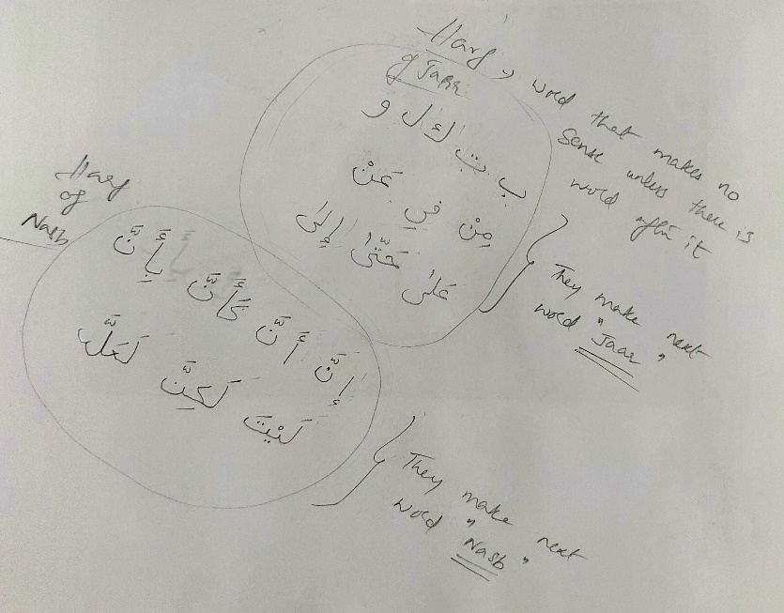
Learned about Harf

Harf that comes before Jarr
Harf that comes before Nasb

